Qs 2
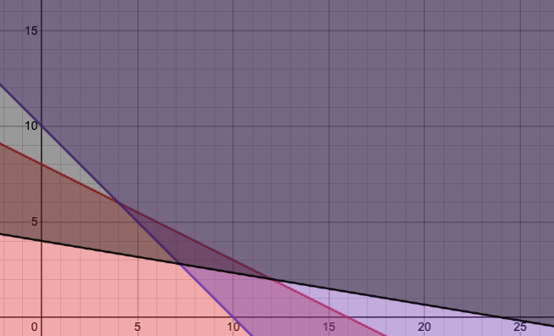
a)
Max | 5x1 + 9x2 + 0s1 + 0s2 + 0s3
s. t. | 0.5x1 + x2 + 0s1 = 8
 | x1 + x2 - 0s2 = 10
 | 0.25x1 + 1.5x2 - 0s3 = 6
 | x1, x2, s1, s2, s3 >= 0

b) | There will be 3 variables set to be 0 (s1, s2, s3) as those are artificial variables.

c)
 |  | x1 | x2 | s1 | s2 | s3
Basic | Cb | 5 | 9 | 0 | 0 | 0 | Value
s1 | 0 | 0.5 | 1 | 1 | 0 | 0 | 8
s2 | 0 | 1 | 1 | 0 | -1 | 0 | 10
s3 | 0 | 0.25 | 1.5 | 0 | 0 | -1 | 6
 | Zj | 0 | 0 | 0 | 0 | 0
 | Cj-Zj | 5 | 9 | 0 | 0 | 0

c) If s1 and s2 equal to zero, then the basic solution is: X1 = 8, X2 = 2, s1 = 0, s2 = 0, and s3 = 6.

d) If X1 and s3 equal to zero, then the basic solution is: X1 = 0, X2 = 10, s1 = 8, s2 = 10, and s3 = 0.

e) Both solutions in parts (c) and (d) are basic feasible solutions, but they are not extreme-point solutions because an extreme-point solution is a basic feasible solution that cannot be improved by increasing or decreasing one of the non-zero variables. In this case, both solutions can be improved by increasing or decreasing X1 or X2.

